Relative and absolute
Relative and absolute
 |  |  | https://edu.gcfglobal.org/en/excelformulas/relative-and-absolute-cell-references/1/
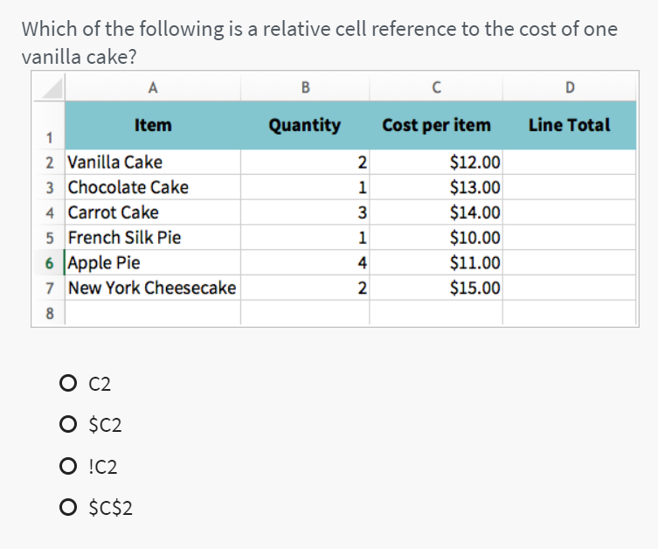
Qty | U. Price | USD
2 | 10
5 | 14
8 | 17
4 | 9
6 | 3
1 | 5

* F4

Project
Table
. Convert the Range to Table (CTRL + T)
. Hide Month column
. Adjust the Size of columns
. Format header (Wrap Text) and (Center Vertical/Horizontal)
. Sort by Date (descending) AND by Sub-Category (ascending)
. Filter by Cost "Greater or equal to 50." only . Add a conditional format (Data Bar) for the Revenue column . Setup the Print layout
Date | Year | Month | Customer Age | Customer Gender | Country | State | Product Category | Sub Category | Quantity | Unit Cost | Unit Price | Cost | Revenue
2015-09-01 | 2015 | September | 36 | M | Germany | Nordrhein-Westfalen | Accessories | Tires and Tubes | 1 | 812 | 1071 | 812 | 1071
2015-09-01 | 2015 | September | 36 | M | Germany | Nordrhein-Westfalen | Accessories | Tires and Tubes | 1 | 60 | 84 | 60 | 84
2015-11-12 | 2015 | November | 36 | M | Germany | Hamburg | Accessories | Tires and Tubes | 2 | 57.5 | 78.5 | 115 | 157
2015-11-12 | 2015 | November | 36 | M | Germany | Hamburg | Accessories | Tires and Tubes | 2 | 290 | 383 | 580 | 766
2015-08-22 | 2015 | August | 36 | M | Germany | Hamburg | Accessories | Tires and Tubes | 3 | 35 | 48 | 105 | 144
2015-11-18 | 2015 | November | 35 | M | Germany | Saarland | Accessories | Tires and Tubes | 1 | 112 | 149 | 112 | 149
2015-11-18 | 2015 | November | 35 | M | Germany | Saarland | Accessories | Tires and Tubes | 1 | 625 | 868 | 625 | 868
2015-11-01 | 2015 | November | 35 | M | Germany | Saarland | Accessories | Helmets | 3 | 221.67 | 323 | 665 | 969
2015-11-01 | 2015 | November | 35 | M | Germany | Saarland | Accessories | Tires and Tubes | 1 | 100 | 139 | 100 | 139
2015-10-24 | 2015 | October | 35 | M | Germany | Saarland | Accessories | Helmets | 1 | 490 | 657 | 490 | 657
2015-10-24 | 2015 | October | 35 | M | Germany | Saarland | Accessories | Tires and Tubes | 3 | 23.33 | 31 | 70 | 93
2015-10-24 | 2015 | October | 35 | M | Germany | Saarland | Accessories | Tires and Tubes | 1 | 638 | 865 | 638 | 865
2015-10-05 | 2015 | October | 35 | F | Germany | Nordrhein-Westfalen | Accessories | Helmets | 1 | 840 | 1048 | 840 | 1048
2015-10-05 | 2015 | October | 35 | F | Germany | Nordrhein-Westfalen | Accessories | Tires and Tubes | 3 | 203 | 264.66666667 | 609 | 794
2015-10-05 | 2015 | October | 35 | F | Germany | Nordrhein-Westfalen | Accessories | Tires and Tubes | 2 | 42.5 | 61.5 | 85 | 123
2015-07-10 | 2015 | July | 35 | F | Germany | Nordrhein-Westfalen | Accessories | Helmets | 1 | 1050 | 1513 | 1050 | 1513
2015-12-13 | 2015 | December | 22 | F | Germany | Nordrhein-Westfalen | Accessories | Tires and Tubes | 3 | 40 | 50.333333333 | 120 | 151

